TABLE
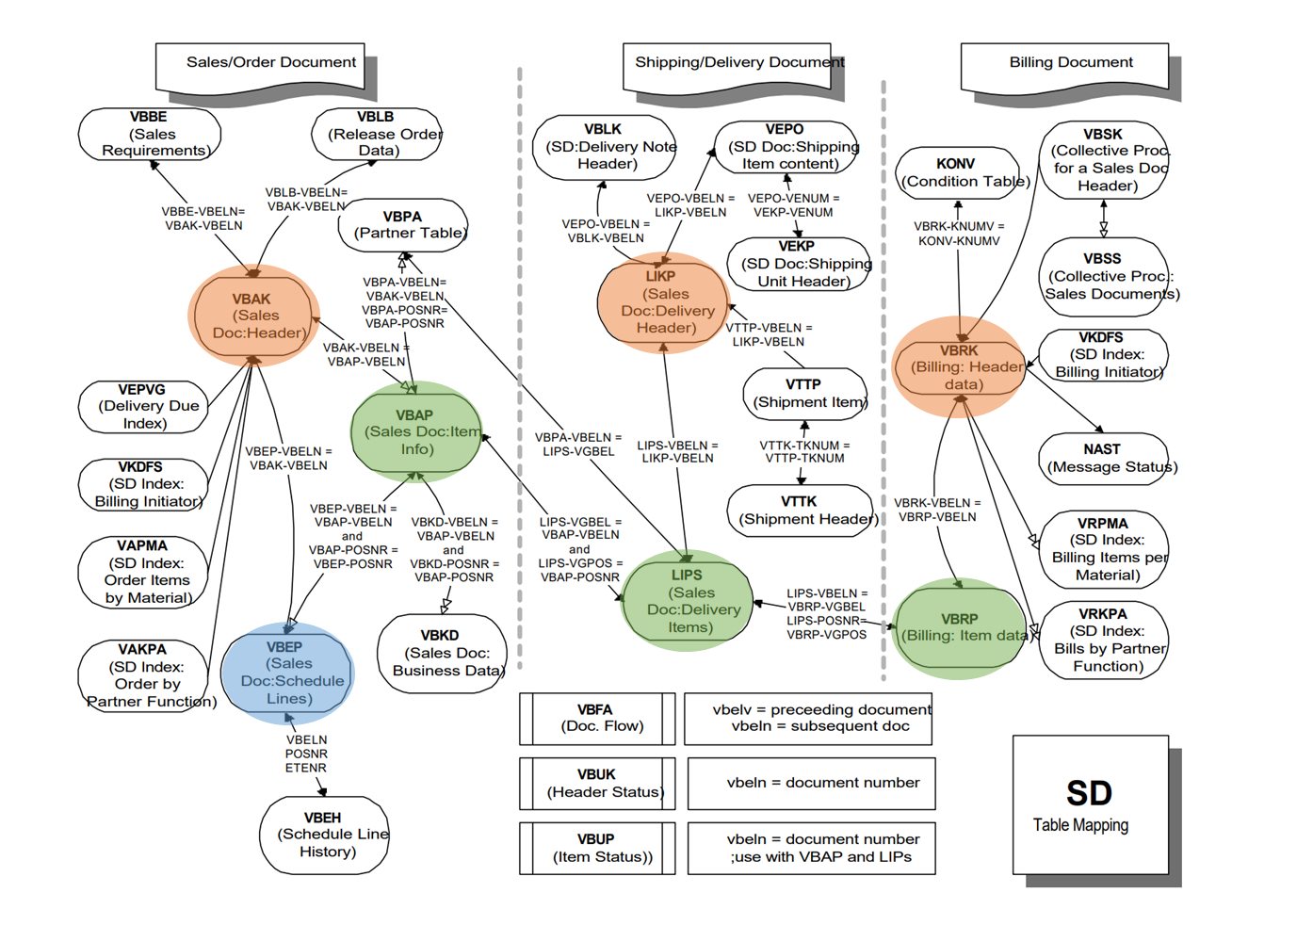
ORDER | VBAK | SALES DOCUMENT: HEADER DATA | VBELN | SALES DOCUMENT
 | VBAP | SALES DOCUMENT: ITEM DATA | VBELN | SALES DOCUMENT
 |  |  | POSNR | SALES DOCUMENT ITEM
 | VBEP | SALES DOCUMENT: SCHEDULE LINE DATA | VBELN | SALES DOCUMENT
 |  |  | POSNR | SALES DOCUMENT ITEM
 |  |  | ETENR | SCHEDULE LINE

DELIVERY | LIKP | SD DOCUMENT: DELIVERY HEADER DATA | VBELN | DELIVERY
 | LIPS | SD DOCUMENT: DELIVERY: ITEM DATA | VBELN | DELIVERY
 |  |  | POSNR | DELIVERY ITEM

BILLING | VBRK | BILLING DOCUMENT: HEADER DATA | VBELN | BILLING DOCUMENT
 | VBRP | BILLING DOCUMENT: ITEM DATA | VBELN | BILLING DOCUMENT
 |  |  | POSNR | BILLING ITEM

 | MSEG | DOCUMENT SEGMENT: MATERIAL

DD03
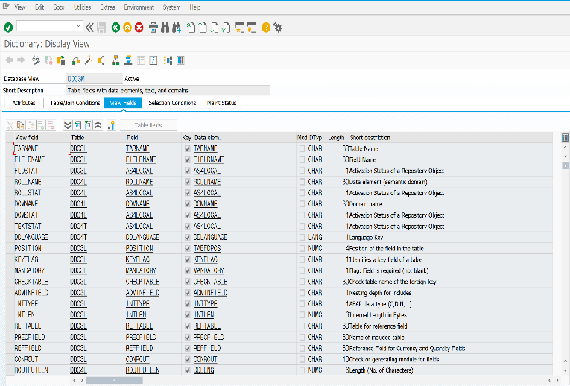

SE11 | DESCRIPTION 가져오는 방법
DD03에 해당 테이블 검색 후
FORMAT LIST CHOOSE FIELDS : FIELDNAME , DDTEXT
VLOOKUP(값 찾고자 하는 기준 , 참조 영역, 영역내 값, FALSE )

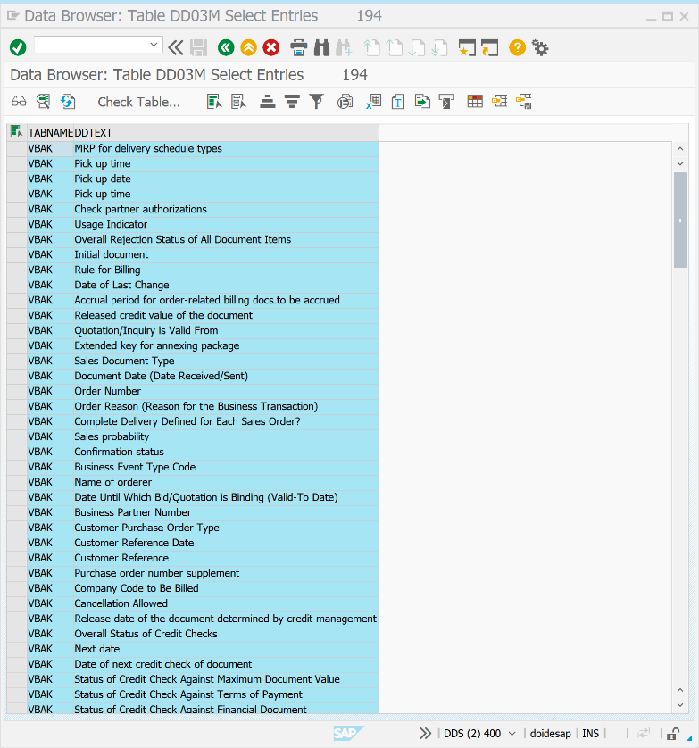

ㅊ

